1. Title Page
Instacart Grocery Basket Analysis

Project Name: Instacart Grocery Basket Analysis
Date:
Analyst Name: Rebecca Ostgard

Contents:
Population Flow
Consistency checks
Wrangling steps
Column derivations
Visualizations
Recommendations

Data source:
"The Instacart Online Grocery Shopping Dataset 2017”, Accessed from https://www.instacart.com/datasets/grocery-shopping-2017 on October 12th, 2021.

Objective | Key questions
You’re an analyst for an existing company, Instacart, an online grocery store that operates through an app. Instacart already has very good sales, but they want to uncover more information about their sales patterns. Your task is to perform an initial data and exploratory analysis of some of their data in order to derive insights and suggest strategies for better segmentation based on the provided criteria | 1. The sales team needs to know what the busiest days of the week and hours of the day are (i.e., the days and times with the most orders) in order to schedule ads at times when there are fewer orders. 2. They also want to know whether there are particular times of the day when people spend the most money, as this might inform the type of products they advertise at these times. 3. Instacart has a lot of products with different price tags. Marketing and sales want to use simpler price range groupings to help direct their efforts. 4. Are certain types of products more popular than others? 5. The marketing and sales teams are particularly interested in the different types of customers in their system and how their ordering behaviors differ. For example: a. What’s the distribution among users in regards to their brand loyalty (i.e., how often do they return to Instacart)? b. Are there differences in ordering habits based on a customer’s loyalty status? c. Are there differences in ordering habits based on a customer’s region? d. Is there a connection between age and family status in terms of ordering habits? e. What different classifications does the demographic information suggest? Age? Income? Certain types of goods? Family status? f. What differences can you find in ordering habits of different customer profiles?

Context
The Instacart stakeholders are most interested in the variety of customers in their database along with their purchasing behaviors. They assume they can't target everyone using the same methods, and they’re considering a targeted marketing strategy. They want to target different customers with applicable marketing campaigns to see whether they have an effect on the sale of their products. Your analysis will inform what this strategy might look like to ensure Instacart targets the right customer profiles with the appropriate products.

2. Population Flow
Title page

Population flow

Exclusion flag
Condition: max_order < 5
Obervations to be removed: 518277
Final total count of order_products_all: 31916793

Orders_products_combined
Orders_products_merged
Orders_products_all

Total: 32404859
Total: 32434489
Total: 32435070

1.) The grey boxes in the first row of the population flow represent the original data sets as they were when you downloaded them. In the Total fields you need to add the count of the rows when you imported the data set into Jupyter.
2.) The second row of boxes (coloured) represents the data sets after you manipulated them, e.g., removed missing values and duplicates. In the Total fields you need to add the count of the rows after conducting these operations. This offers a visual oveview of how the data flows throughout the data consistency checks.
3.) The third row, where also the arrows are coloured, represents the merges you performed between the datasets. In the Total fields you need to add the count of the rows in the merged datasets, so that you end up with the final dataset (in the red box). Keep in mind the final dataset should be without exclusions (based on the exclusion flag).

3. Consistency checks
 |  |  |  | Title page
Consistency checks

Dataset | Missing values | Missing values treatment | Duplicates
orders | 206209 in days since prior order | Used median to fill in missing value | no duplicates
products | 16 in product name | Deleted | 5 removed
orders_products_prior | no missing values |  | no duplicates
customers | 11259 missing in first name | Deleted both first name and surname columns for privacy concerns | no duplicates

4. Wrangling steps
 |  |  |  |  | Title page
Wrangling steps

Dataset | Columns dropped | Columns renamed | Columns' type changed | Comment/Reason
orders |  | orders_dow -> orders_day_of_week |  | Easier to interpret name
orders |  |  | order_id -> string | for practice
orders |  |  | order_hour_of_day | to category
orders |  |  | order_days_of_week | to uint16
orders |  |  | add_to_cart_order | to int16
orders |  |  | product_name | to category
orders |  |  | aisle_id | to int16
orders |  |  | department_id | to uint16
orders |  |  | prices | to int32
orders |  |  | price_range_loc | to category
customers | First name and last name |  |  | for privacy concerns
customers |  | STATE to State

5. Column derivations
 |  |  |  | Title page

Column derivations and aggregations

Dataset | New column | Column/s it was derived from | Conditions
orders_products_combined | price_range_loc | prices | Defined low, mid, and high range products based on price of item
orders_products_combined | busiest_days | orders_day_of_week | Defined as least, regular, and busiest days based on orders_day_of_week
orders_products_combined | loyalty_flag | max_order | Defined the customer's loyalty based on number of orders the customer has placed
orders_products_combined | spending_flag | spending | Defined if high or low spender based on spending habits
orders_products_combined | frequency_flag | days_since_prior_order | Defined the customer frequency based on how often the customer shopped
orders_products_combined | exclusion_flag | max_order | Defined customers who are low-activity or regular
Customers | Region | State | Defined which region customers live in based on state
Customers | parental_status | n_dependants | Defined if customer is a parent or not
Customers | age_group | Age | Defined which age group customer is in
Customers | income_range | income | Definied which range of income customer is in

6. Visualizations
 |  |  | Title page

Visualisations

1a. The busiest days of the week

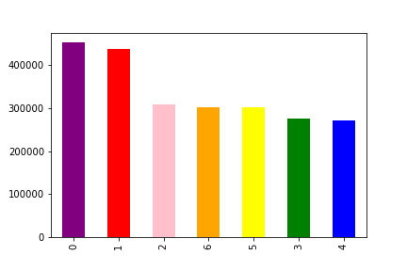

 | Number | Day
 | 0 | Saturday
 | 1 | Sunday
 | 2 | Monday
 | 3 | Tuesday
 | 4 | Wednesday
 | 5 | Thursday
 | 6 | Friday

The busiest days of the week are Saturdays and Sundays

1b. The busiest hours of the day
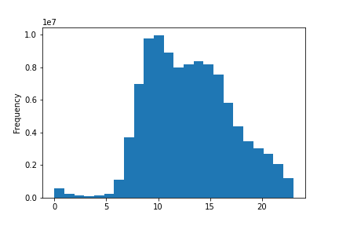

Most orders are placed in the middle of the day,
with 1 o'clock being the average time.

2. What time of day do people spend the most money?
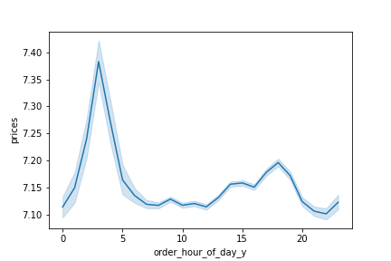

Higher priced items are ordered more in the middle of the night.

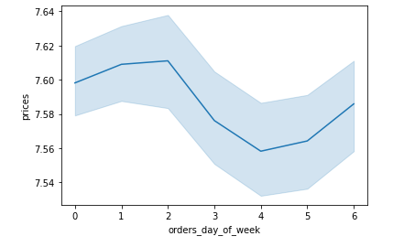

Higher priced items are ordered more on Sunday and Monday

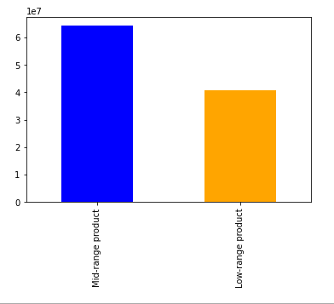
3. Simpler price range groupings

The price range was divided into three different bulks:
Low = under $5
Mid = $5-$15
High = over $15
No products were over $15.
Most products are in the mid-range pricing bulk.

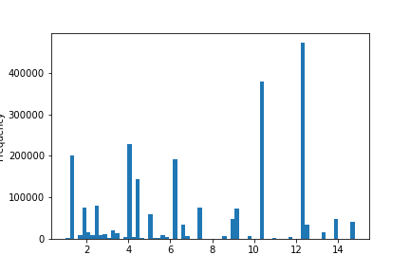

Here is an overview of the different prices.

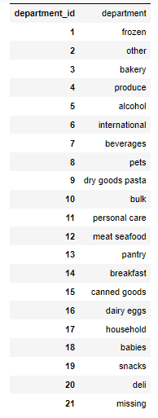
4. Frequency of product orders
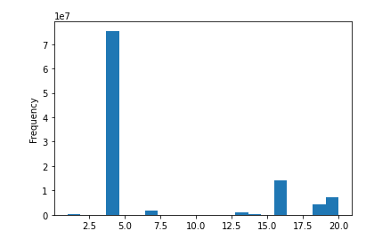

The most sold products are in the produce, dairy eggs and snacks departments.

5. Ordering behavior among customers
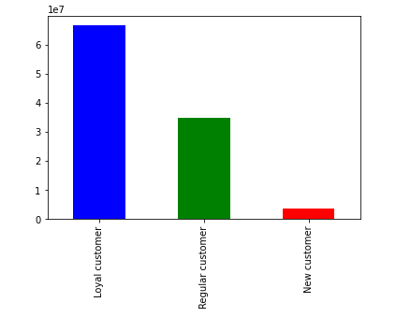

Loyalty is defined as:
Loyal = more than 40 orders
Regular = between 10 and 40 orders
New customer = less than 10 orders
The bar chart shows that most customers of Instacart are loyal customers

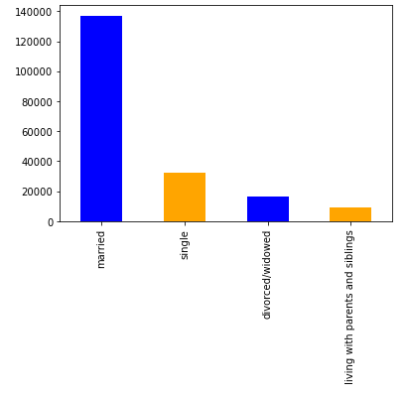

Most customers are married, second most customers are single, then divorced/widowed. The smallest group of customers lives with parents and siblings

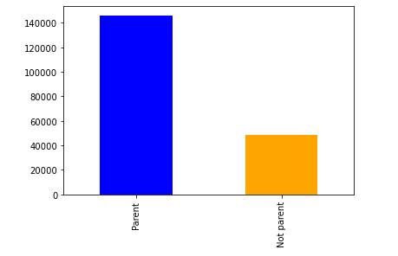

Most customers of Instacart have children.

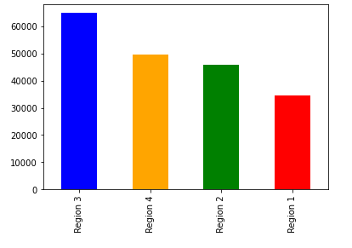

Regions:
Region 1 = Northeast
Region 2 = Midwest
Region 3 = South
Region 4 = West
The customers are spread out all over the country, with most customers located in the south. Least customers live in the Northeast.

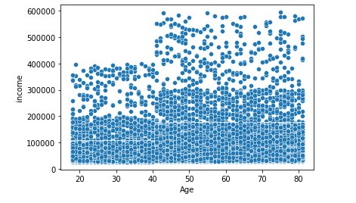

There is a slight positive correlation between income and age.

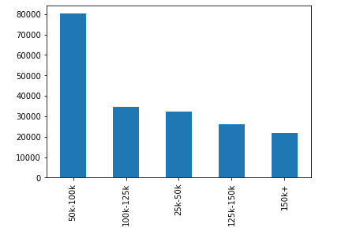

Most customers are in the lowest income range.

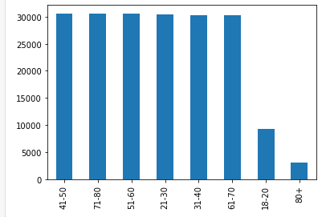

The bar chart shows the number of customers of each age group. There is a much lower customer number in the youngest and oldest age group.

7. Recommendations
 |  |  |  | Title page

Recommendations

1a. The busiest days of the week

 |  | Number | Day
 |  | 0 | Saturday
 |  | 1 | Sunday
 |  | 2 | Monday
 |  | 3 | Tuesday
 |  | 4 | Wednesday
 |  | 5 | Thursday
 |  | 6 | Friday

The busiest days of the week are Saturdays and Sundays

Recommendations: They need to make sure they have enough staff these days, as well as on the busiest hours of the days. They should also focus on putting out ads during these days and hours.

1b. The busiest hours of the day

Most orders are placed in the middle of the day,
with 1 o'clock being the average time.

2. What time of day do people spend the most money?

Higher priced items are ordered more in the middle of the night.

Recommendations: I would recommend looking into what products are most popular during the hours and days the most highest end products are sold. In this way, Instacart can market more relevant products.

Higher priced items are ordered more on Sunday and Monday

 | 3. Simpler price range groupings

The price range was divided into three different bulks:
Low = under $5
Mid = $5-$15
High = over $15
No products were over $15.
Most products are in the mid-range pricing bulk.

Recommendations: To increase sales, I recommend Instacart to consider marketing low-range products to customers with a lower income, and higher range products to customers with a higher income. See charts below.

Here is an overview of the different prices.

 | 4. Frequency of product orders

The most sold products are in the produce, dairy eggs and snacks departments.

Recommendations: Instacart should focus their marketing on products that are in the popular departments. Maybe some products in these departments are more popular, and maybe some products are not needed.

 | 5. Ordering behavior among customers

Loyalty is defined as:
Loyal = more than 40 orders
Regular = between 10 and 40 orders
New customer = less than 10 orders
The bar chart shows that most customers of Instacart are loyal customers

Recommendations: I recommend having a reward system for loyal customers, maybe in terms of vouchers or discounts to motivate them to keep ordering.

Most customers are married, second most customers are single, then divorced/widowed. The smallest group of customers lives with parents and siblings

Recommendations: As most customers are married with children, marketing could focus on targeting these demographics. Maybe by focusing on the departments targeted at children, as sales are lower in these areas.

Most customers of Instacart have children.

Regions:
Region 1 = Northeast
Region 2 = Midwest
Region 3 = South
Region 4 = West
The customers are spread out all over the country, with most customers located in the south. Least customers live in the Northeast.

Recommendations: Most customers are based in the south, so this could be a good opportunity to look intro marketing strategies in the other areas to increase sales.

There is a slight positive correlation between income and age.

Most customers are in the lowest income range.

The bar chart shows the number of customers of each age group. There is a much lower customer number in the youngest and oldest age group.

